Donation Log
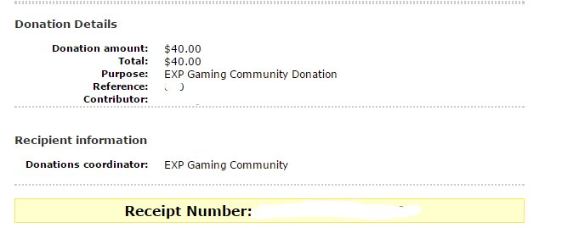
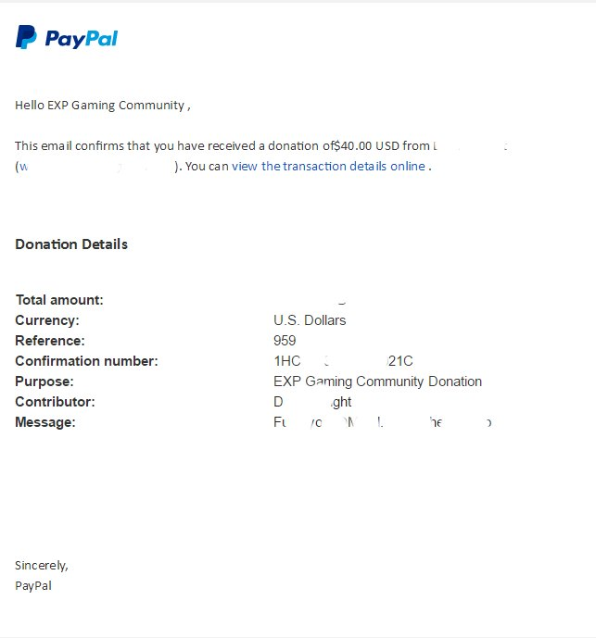
Verified Reciept |  |  |  |  | Filled out by admin Giving Donation
Player | Donation Email | Donation Amount | Verified By: | Forum Name | Donation Reward Given By | Poptabs / Kits / Items Given | Server | Time | Date
Jordan | jordan@devinneintl.com | 50 USD | Metal |  | Colby | $40 package + 50k | Summer | 10:30pm est | 2/15/17
Jordan | jordan@devinneintl.com | 40 USD | Metal |  | Danny Dorito | 300k, no packages or cars | Summer | 14:33 GMT | 2/18/17
MuffDriver - Need forum name | ZMILLZ111@gmail.com | 75 USD | Metal | MuffDiver | Metal - Comp was never given | 100k Respect, and 300K poptaps | N/A | Never | N/A
Atriox | kylepenta@yahoo.com | 20 USD | Metal |  | Danny Dorito | Donor box, 25k + 75k | Lingor | 5:14 GMT | 2/19/17
LoggiKobee | notgnirrack@gmail.com | 40 USD | Superbee | LogiKobee | Caesar | 2x Donator boxes + 100k + Vehicle (No Heli) | Napf | 11:06 EST | 2017-02-19
FamishedBurrito | wrightdevin08@gmail.com | 40 USD | Caesar | FamishedBurrito | Urban | 2x Donator boxes ,75K, and one uh60-M | Napf | 12:44:00 | 2017-02-20
Nebulae |  | 20USD+20USD | Colby | NebulaeTV | Ollieee | 2x Donator boxes ,50k and Orca | Napf | 21:59:00 | 20/2
Zmill | ZMILLZ111@gmail.com | 50 USD | Caesar/Logikobee | MuffDiver | Logi Kobee | 250k(Didn't want the two vehicles) | Summer | 2015 | 23/2

